Overview
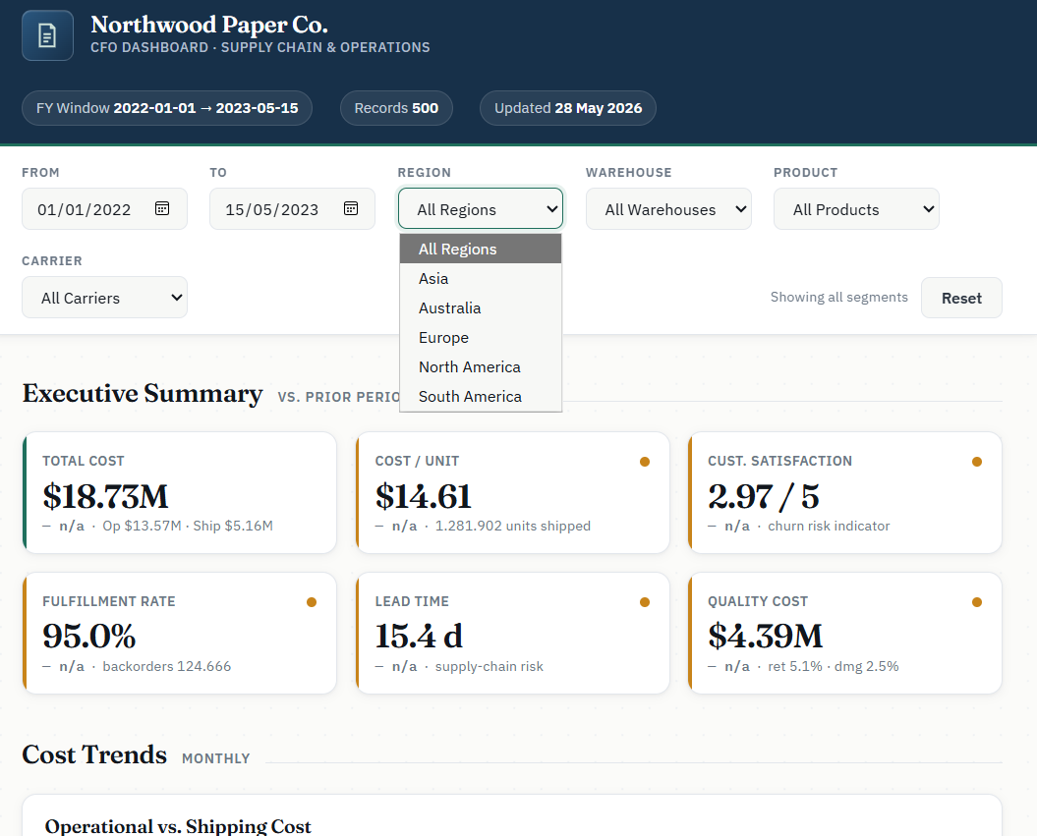
CLAUDE OPUS 4.8 for FP&A & FINANCE GUIDE |  |  | Some of the results ↓
by Christian Martinez
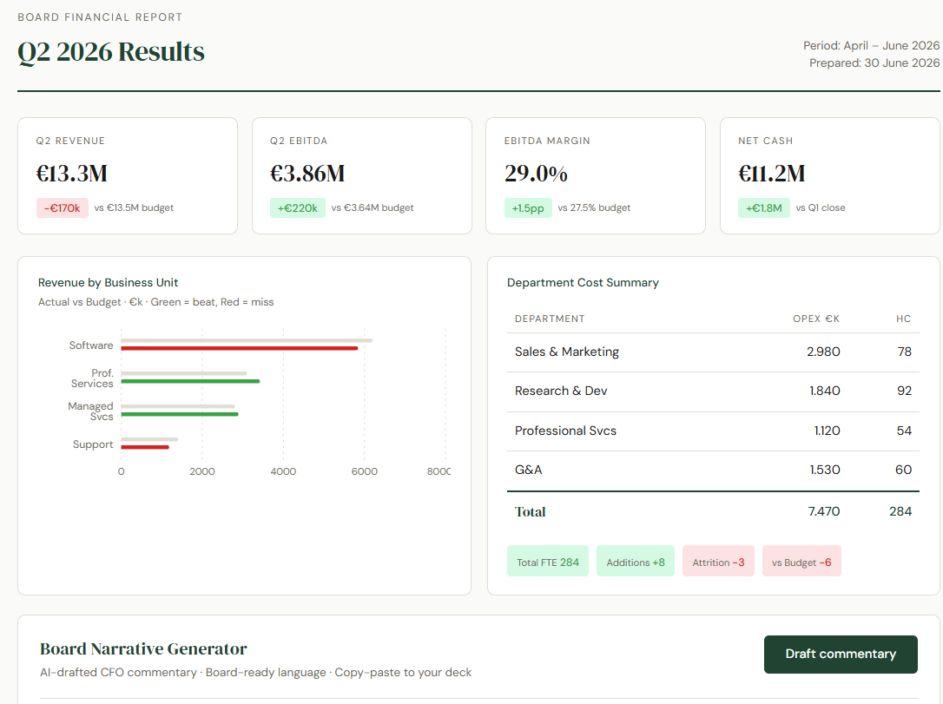

Claude Video Guides → | https://youtu.be/NVHzrdjstFo?si=1HHtC3-sXe4zpRsF
WHAT CHANGED IN OPUS 4.8 | WHAT IT MEANS | WHY IT MATTERS FOR FINANCE
Honesty & uncertainty flagging | Less likely to let errors pass. Flags when not confident rather than guessing. | Trust variance numbers and model outputs more. Claude tells you when it needs more data.
Alignment & reliability | Lowest rate of misaligned behaviour measured. Supports your decisions, not second-guessing. | Reliable for agentic tasks — automated reporting, multi-step close processes.
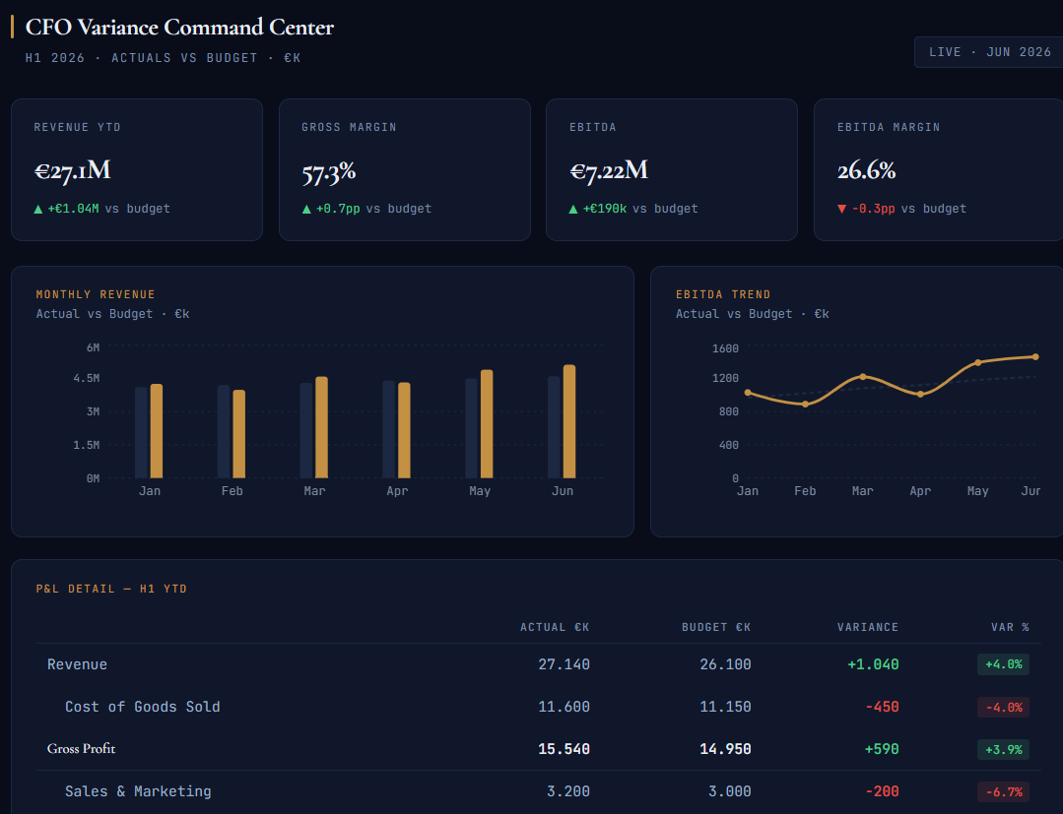
Reasoning quality | Improved scores across coding, analysis, and knowledge-work benchmarks. | Faster, more accurate answers — scenario modelling, covenant analysis, data interpretation.
Effort control (claude.ai) | Set effort: Low, Medium, High, Extra, Max. Higher effort = deeper reasoning, more tokens. | Set 'Extra' for complex models or board narratives. Default for quick lookups and drafts.
Dynamic workflows (Claude Code) | Spawns hundreds of parallel subagents for large-scale, multi-step tasks. | Automate monthly report generation, multi-file reconciliations, data pipelines.
Fast mode pricing | 2.5× speed at 3× lower cost than Opus 4.7 fast mode. | Bulk commentary generation and large dataset analysis now significantly more affordable.

EFFORT SETTING | BEST FOR

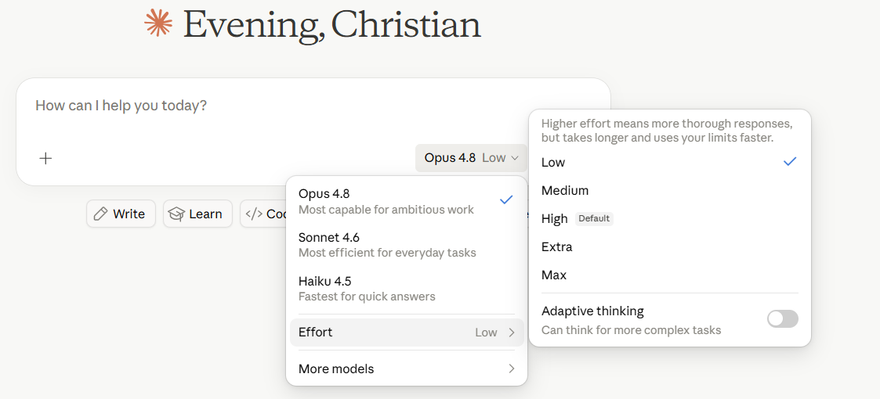
EFFORT SETTING | BEST FOR | EXAMPLE TASK
Default | Day-to-day tasks, quick lookups, email drafts | Draft a follow-up email to a budget holder about their Q3 submission
Extra ⭐ | Complex analysis, board-pack narratives, scenario models | Build a 3-scenario FY forecast with sensitivity table from attached data
Max | Long-running analysis, multi-document synthesis, strategic reviews | Synthesize 12 months of management accounts into a CFO strategic review

💡 TIP: Save your best prompts as reusable templates. Replace data sections with [paste data here] placeholders and build a library your whole FP&A team can use. See the '30 Prompts' sheet.

Getting Started
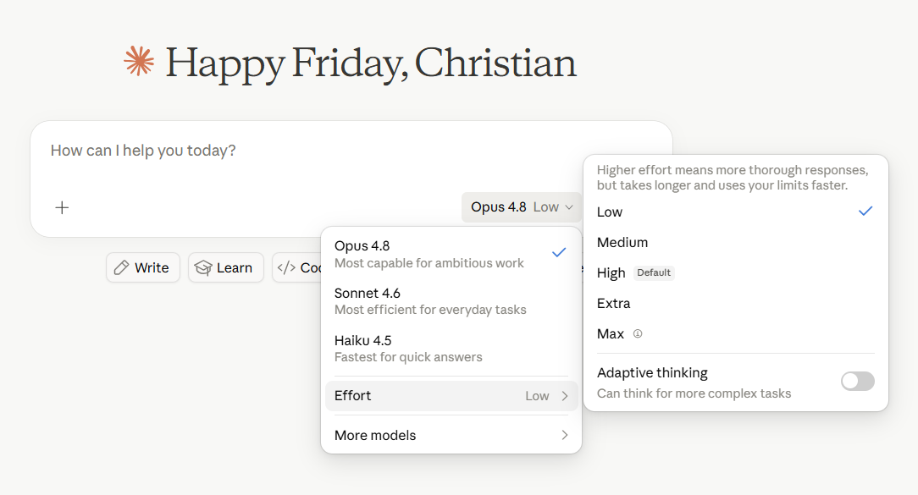
GETTING STARTED — 5-STEP ROADMAP

STEP | TIMELINE | ACTION
1 | This week | Open claude.ai, select Opus 4.8, set effort to 'Extra'. Run prompts 1–5 from the '30 Prompts' sheet using last month's actuals vs budget. Compare the output quality to what you currently produce manually. | →
2 | Week 2 | Pick your most time-consuming monthly report. Write a reusable prompt template for it (use prompts 27–28 as a starting point). Test with two months of data to validate consistency.
3 | Week 3 | Share the template with your FP&A team. Collect feedback on accuracy, tone, and gaps. Refine the prompt. Build a library of 5–10 reusable templates for your most common outputs.
4 | Month 2 | Identify one multi-step workflow to automate (prompts 26–30). Map the current process, define the AI steps, and build a pilot with Claude Code or the API. Measure time saved vs baseline.
5 | Quarter 2 | Review your full FP&A process and map every task that could benefit from AI. Prioritise by effort saved vs implementation cost. Present a roadmap to the CFO with projected time and cost savings.

Main Workflows
WORKED EXAMPLES — 3 INTERACTIVE DASHBOARDS

Example 1 — CFO Variance Command Center
What it does | Full H1 P&L with actuals vs budget. KPI cards, monthly revenue bar chart, EBITDA trend line, and conditional-formatted variance table (green = favourable, red = adverse).
AI feature | Click 'Run Analysis' — Claude reads the live P&L and returns: top 3 variance drivers, margin commentary, and two concrete H2 management actions.
Prompt used | Create a premium interactive CFO dashboard called “CFO Variance Command Center.” Purpose: analyze Full H1 2026 P&L actuals vs budget in real time. Include: Executive KPI cards Revenue YTD Gross Margin EBITDA EBITDA Margin Each card shows actual value plus variance vs budget. Monthly Revenue Bar Chart Jan–Jun Actual vs Budget bars Values in €k / €M Highlight favourable and adverse variance EBITDA Trend Line Jan–Jun EBITDA Overlay or reference budget trend CFO-grade tooltip on hover Conditional Variance Table Full H1 P&L rows: Revenue Cost of Goods Sold Gross Profit Sales & Marketing Research & Development General & Admin Total OpEx EBITDA Columns: Actual €k Budget €k Variance €k Variance % Conditional formatting: Green = favourable Red = adverse Important: treat cost lines correctly: Lower cost than budget = favourable Higher cost than budget = adverse Higher revenue / profit / EBITDA = favourable AI Variance Analysis Panel Add a button: “Run Analysis” When clicked, generate CFO-ready commentary covering: headline performance vs budget revenue drivers gross margin movement OpEx discipline or overruns EBITDA bridge root-cause hypotheses H2 corrective actions board-level talking points Visual style: dark executive UI navy / black background gold accent color thin gridlines premium SaaS feel Bloomberg Terminal meets Linear meets CFO board pack Use React + TypeScript + Tailwind + Recharts + Framer Motion. Make it look polished enough for a CFO to present in an executive meeting. |  | 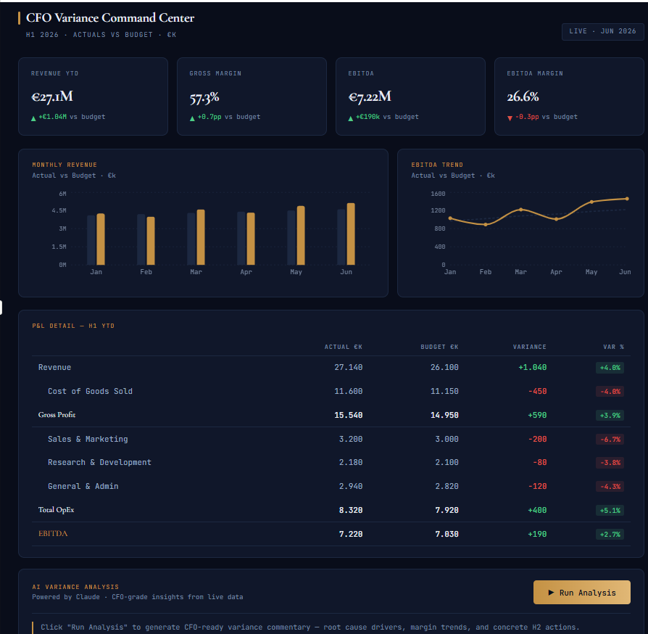
Test dataset | 6 months: Revenue €27.1M, COGS €11.6M, Gross Profit €15.5M, OpEx €8.3M, EBITDA €7.2M — all vs budget.
File | 01_cfo_variance_command_center.jsx

Example 2 — Scenario Forge (Rolling Forecast)
What it does | Interactive H2 rolling forecast with three live scenario columns (Bear / Base / Bull). Drag sliders for Revenue Growth %, Gross Margin %, OpEx Growth — the 12-month EBITDA chart updates in real time.
AI feature | Click 'Generate Narrative' — Claude produces a scenario memo: what must be true for each scenario, key risk/upside driver, recommended strategic response, and board planning recommendation.
Prompt used | Create a premium, boardroom-grade interactive financial planning application called “Scenario Forge.” The experience should feel like a fusion of Bloomberg Terminal + Linear + modern FP&A software. The app is for a CFO modeling FY2026 H2 scenarios in real time. Core Objective Build a fully interactive 3-scenario rolling forecast model with: Bear Base Bull Each scenario updates dynamically as the user adjusts assumptions. The dashboard must instantly recalculate and animate: Revenue EBITDA EBITDA Margin Monthly EBITDA trajectory Scenario narrative commentary Layout Use a dark executive UI: deep navy / black background subtle grid neon accents thin financial-chart typography futuristic CFO operating-system aesthetic Top header: “Scenario Forge” subtitle: FY2026 Rolling Forecast · H2 Scenario Modeler Main Experience 1. Three Scenario Cards Create 3 side-by-side scenario panels: Bear Red accent Base Blue accent Bull Green accent Each card contains: Interactive sliders H2 Revenue Growth % H2 Gross Margin % H2 OpEx Growth % Slider changes must update values instantly. Financial Logic Use actual calculation formulas. Inputs: Starting FY Revenue Baseline gross margin Baseline operating expenses Derived calculations: Revenue Gross Profit Operating Expenses EBITDA EBITDA Margin Formula example: EBITDA = Revenue × Gross Margin − Operating Expenses EBITDA Margin = EBITDA / Revenue Each scenario should compute independently. Live KPI Display Inside each card show: FY EBITDA (€) EBITDA Margin % FY Revenue Assumption deltas Numbers should animate smoothly when sliders move. 2. Interactive EBITDA Chart Below scenario cards: Create a large animated 12-month EBITDA line chart. Requirements: Jan–Dec x-axis EBITDA (€k) y-axis 3 lines: Bear = red Base = blue Bull = green H1 actuals remain fixed H2 forecast dynamically changes from sli | 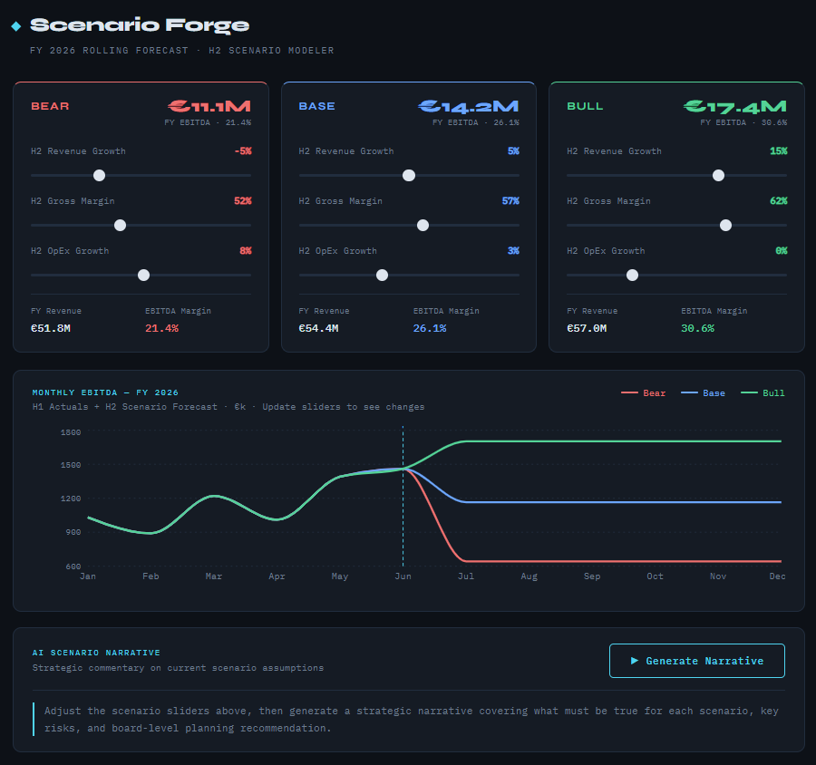
Test dataset | H1 2026 actuals (Revenue €27.1M, EBITDA €7.2M) + adjustable H2 assumptions. Bear: RevGrowth −5%, GM 52%, OpEx +8%. Base: +5%, 57%, +3%. Bull: +15%, 62%, 0%.
File | 02_scenario_forge.jsx

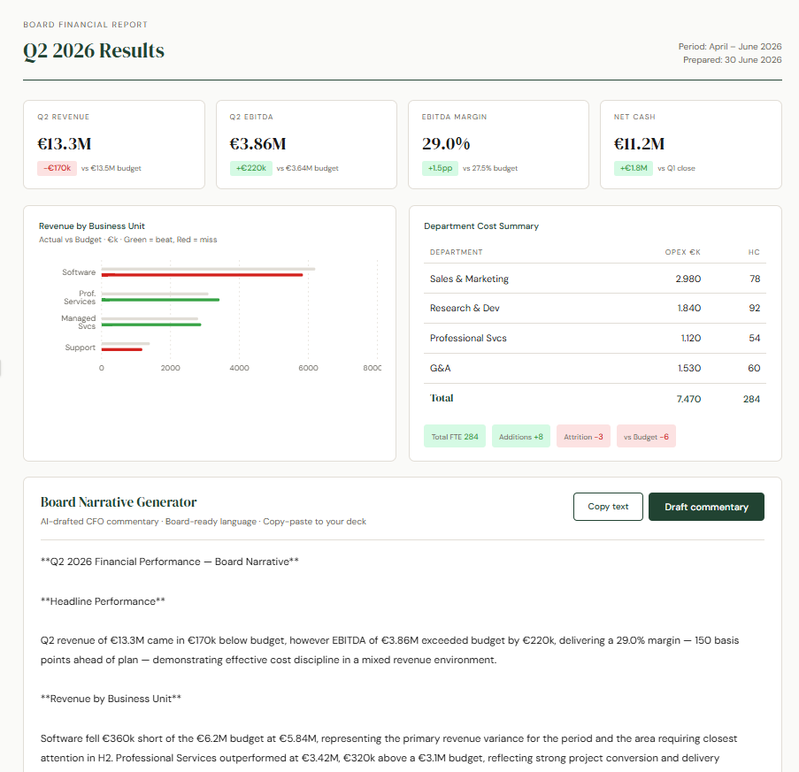
Example 3 — Board Pack Narrator
What it does | Clean editorial board report. Q2 2026 KPI cards, horizontal revenue vs budget bar chart by BU (green = beat, red = miss), department cost and headcount summary.
AI feature | Click 'Draft Commentary' — Claude writes a structured CFO board narrative. Includes a 'Copy text' button for instant paste into your deck.
Prompt used | Create a clean, editorial-style Board Financial Report for Q2 2026 Results. Design style: elegant white background serif headline typography muted green accents subtle borders board-pack / annual-report aesthetic calm, premium, print-ready layout Include: Header “Board Financial Report” “Q2 2026 Results” Period: April–June 2026 Prepared date KPI cards Show: Q2 Revenue Q2 EBITDA EBITDA Margin Net Cash Each KPI card includes: actual value variance vs budget or prior quarter green for favourable red for adverse Revenue by Business Unit Horizontal bar chart: Software Professional Services Managed Services Support Show actual vs budget. Use: green = beat red = miss neutral grey = budget/reference Department Cost & Headcount Summary Table with: Department OpEx €k Headcount Rows: Sales & Marketing Research & Development Professional Services G&A Total Add small status pills: Total FTE Additions Attrition vs Budget Board Narrative Generator Add a button: “Draft commentary” When clicked, generate board-ready CFO commentary covering: headline Q2 performance KPI highlights BU revenue performance margin drivers department cost trends headcount movement key risks items requiring board attention Tone: concise editorial CFO-written copy-paste ready for board deck Tech stack: React + TypeScript + Tailwind + Recharts. Make it feel like a polished quarterly board report, not a generic dashboard.
Test dataset | Q2 2026: Revenue €13.3M (vs €13.5M budget), EBITDA €3.86M, EBITDA Margin 29.0%, Net Cash €11.2M. Revenue by BU: Software €5.84M, Prof Services €3.42M, Managed Svcs €2.89M, Support €1.18M.
File | 03_board_pack_narrator.jsx

Dashboard
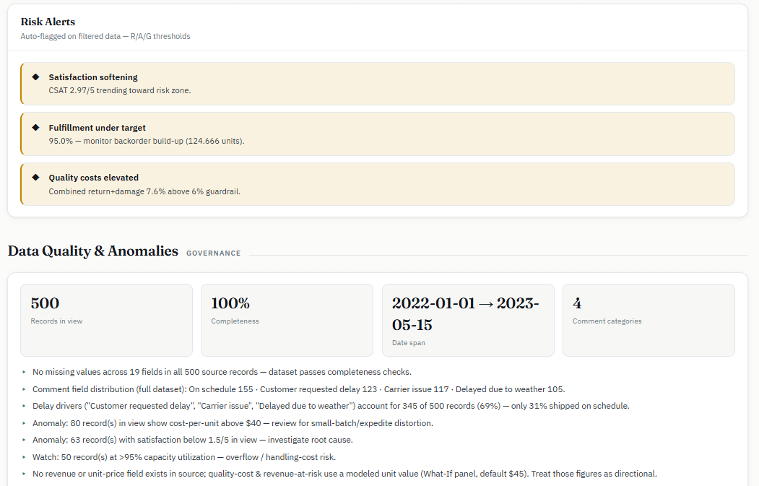
Prompt I used: | Result

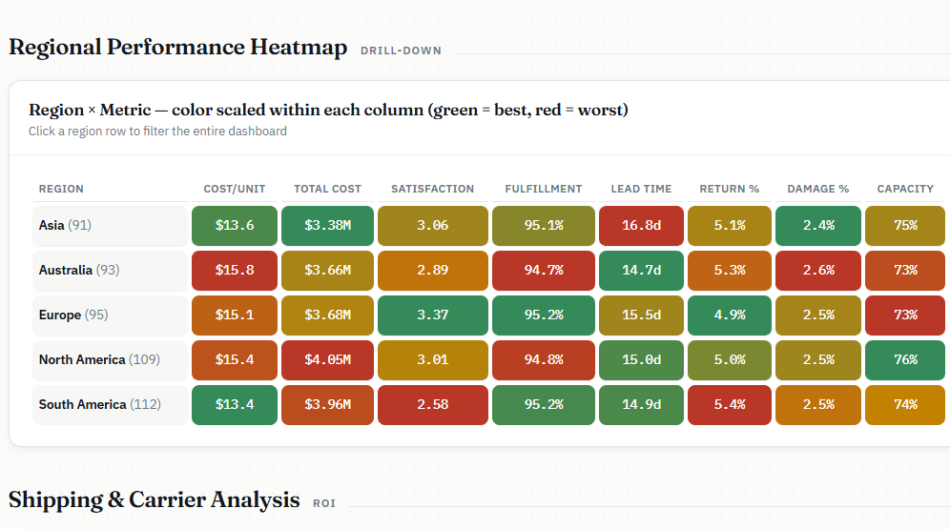
Create an executive CFO dashboard for a paper company's supply chain and operations using the provided dataset (500 operational records spanning multiple regions, warehouses, and product types). **Primary Financial Metrics to Highlight:** - Total operational costs vs. shipping costs (cost breakdown) - Cost per unit shipped (efficiency metric) - Revenue impact from return rates and damage rates (quality costs) - Warehouse capacity utilization (asset efficiency) - Inventory turnover and backorder impact on cash flow **Key Performance Indicators (KPIs) the CFO Cares About:** 1. Operational Cost Trends (month-over-month, by region) 2. Shipping Cost Optimization (method comparison, carrier performance) 3. Customer Satisfaction Score (risk to retention/churn) 4. Fulfillment Rate vs. Backorder Level (working capital indicator) 5. Lead Time Performance (supply chain risk) 6. Damage & Return Rates (cost drivers, warranty liabilities) **Dashboard Features:** - KPI Cards with key metrics at the top - Cost trend line chart (operational vs. shipping costs over time) - Regional performance heatmap (costs, efficiency, satisfaction) - Shipping method ROI analysis (cost vs. speed vs. satisfaction) - Carrier performance scorecard (cost, reliability, damage rates) - Warehouse efficiency quadrant (capacity util. vs. fulfillment rate) - Drill-down capability by region, warehouse, or product - What-if scenario: impact of reducing return/damage rates - Alerts for underperforming metrics **Visual Style:** Professional, clean, corporate theme. Use red/amber/green for status indicators. Emphasize cost savings opportunities and operational risks. Include data quality notes and any anomalies flagged in the Comments field. **Interactivity:** Date range filter, region selector, sorting and ranking capabilities. Show both absolute numbers and % change from prior period.

Note: you can download the dashboard after entering the prompt

Scenario Modelling
Prompt I used: | Result

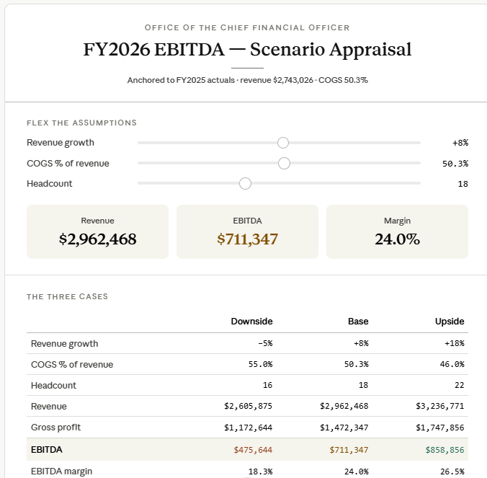
Build 3 scenarios (base / downside / upside) for FY2026 EBITDA. Assumptions to flex: [revenue growth %, COGS %, headcount]. Show the output as a sensitivity table. For each scenario, list the top 2 actions management should take.

